Φύλλο1
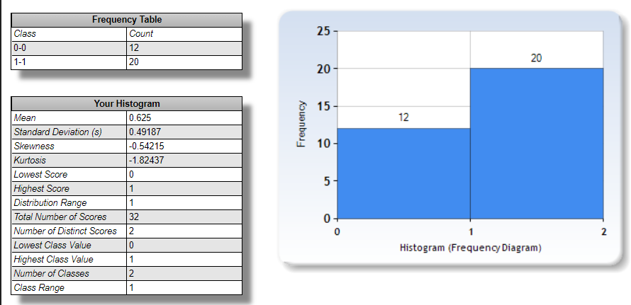
Num of Female | Age Group<24 | Age Group 25-29 | age 30-35 | age 36-40 | age 41-48 | age 49-55 |  | Max caffeine Consumption : 2-3 cups/day | Min caffeine Consumption : never | Average caffeine consumption: 2-3 cups/day | Average time of caffeine consumption: around noon time (from 10am until 2pm)
20 | 20 | 4 | 5 | 1 | 1 | 1 | sum
 | 2 or 3 cups / day | 1 cup/day | 2 or 3 cups / day | 2 or 3 cups / day | 1 cup / day | 1 cup / day | intake
sex percent of participants
Num of Male | 7 males/13 females | 2m/2f | 4f/1m | 1m | male | fem | sex
12 | mostly BD | mostly BD | 3b/2m | master | master | bachelor | edu

Female
participants
Male
participants

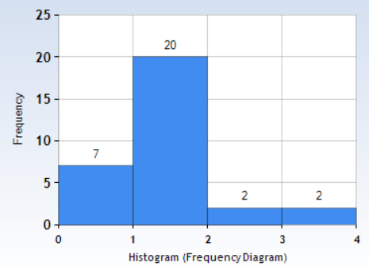
Bad experiences from caffeine
Caffeine tolerance belief
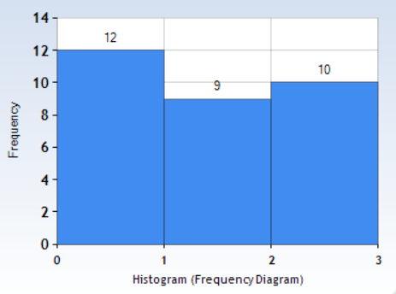
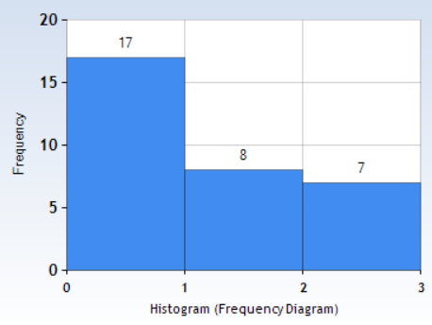
Functionallity without caffeine

Yes

No
Maybe
No
Yes

Yes
No
regularly/maybe
Sometimes

Participants who feel focused after coffee
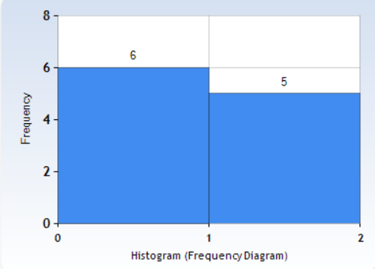
Participants who feel calm after coffee
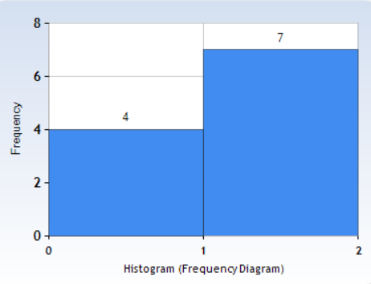
Participants who feel alert after coffee
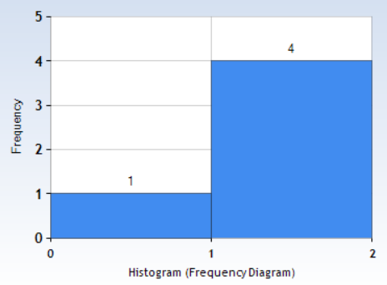

Female
Male
Female
Female

Male
Male

Males
1 cup/day | 3
2 or 3 cups / day | 4
2 or 3 cups / month | 3
never/rarely | 2
Females
1 cup/day | 7
2 or 3 cups / day | 7
2 or 3 cups / month | 2
never/rarely | 4

<24 age
1 cup/day | 5
2 or 3 cups / day | 6
2 or 3 cups /week | 3
2 or 3 cups / month | 2
never/rarely | 4
25-29 age
1 cup/day | 2
2 or 3 cups / day | 0
2 or 3 cups /week | 0
2 or 3 cups / month | 0
never/rarely | 2
30-35 age
1 cup/day | 1
2 or 3 cups / day | 4
2 or 3 cups /week | 0
2 or 3 cups / month | 0
never/rarely | 0

